Sheet1
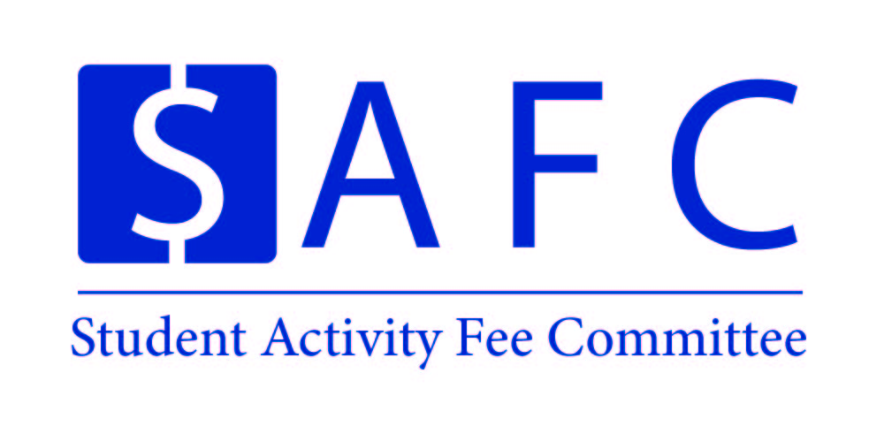 |  |  |  |  | Organization Name |  | Event Name
 |  |  |  |  | UNH SEDS |  | Outreach - Rocket Building

 |  |  |  |  | Event Date: | During the Year | Location: |  | Local Schools
 |  |  |  |  | Time: |  | PPR Due: |  | #VALUE!

Proposed Expenses |  |  |  |  | Amount | Amended Expenses |  |  |  |  | Amount

Outreach
Model Rocket Kits (w/o Engines) |  |  |  |  | $250
Model Rocket Engines |  |  |  |  | $150
Launch Pad Kit / Components |  |  |  |  | $75
Club Stickers / Pens |  |  |  |  | $150

Total Expenses |  |  |  |  | 625.00 | Total Expenses: |  |  |  |  | 0.00

Attendance: |  |  |  |  |  | Attendance:
Students | 25 | @ | $- | = | $- | Students | 0 | @ | $- | = | $-
Non-Students | 200 | @ | $- | = | $- | Non-Students | 0 | @ | $- | = | $-
Additional Revenue |  |  |  |  |  | Additional Revenue
Total Revenue |  |  |  |  | $- | Total Revenue |  |  |  |  | $-

Total SAF Subsidy |  |  |  |  | $625 | Total SAF Subsidy |  |  |  |  | $-
Cost Per Student |  |  |  |  | $25 | Cost Per Student |  |  |  |  | #DIV/0!
Organization/Event Information
Primary Contact: | Charlie Nitschelm |  |  |  |  | Secondary Contact: | Ross Thyne
Email: | cjn1012@wildcats.unh.edu |  |  |  |  | Email: | rdt1002@wildcats.unh.edu
Notice: The Post-Programming Report for this event is due two weeks after the event has concluded, or until all receipts have come in. Please email SAF.CFO1@unh.edu or SAF.CFO2@unh.edu if you have any questions about the Proposal or PPR process.

